DashBoard
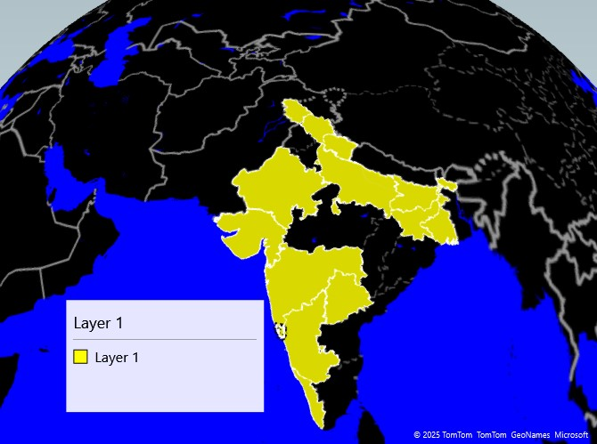

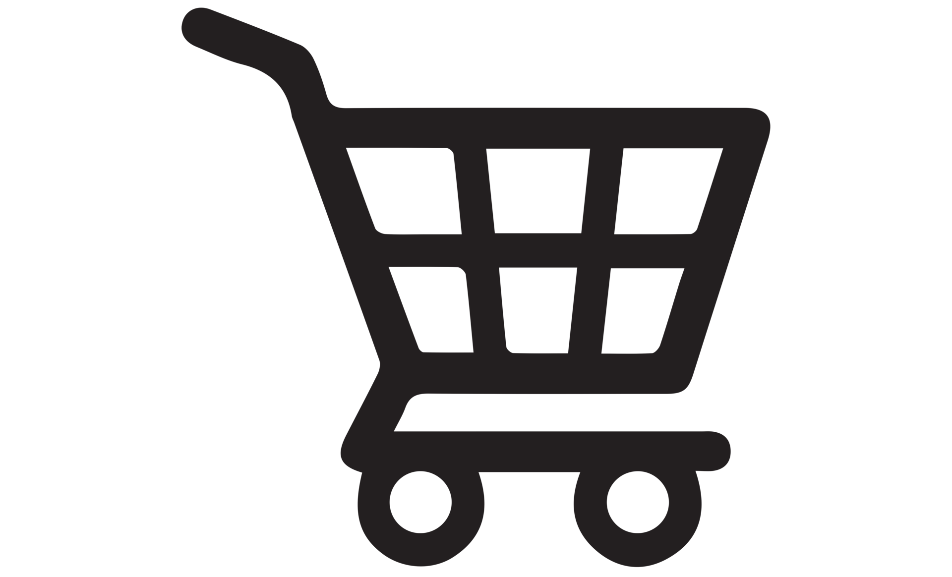
Amazon Sales Dashboard 2024

₹3,655,726
Total Sales
10390
Total Unit
08
Number of Cities
301.8460302
Total Price

City-wise Sales
 | Total
Nestle Aero Mint Potz | 103
Nestle Fab | 61
Nestle Kit Kat Cone | 53
Nestle Maxibon Cookie | 29
Nestle Milky Bar Stick | 67
Nestle Rolo Potz | 111
Nestle Rowntree Fruit Pastil | 71
Nestle Rowntree Screamers | 14
Nestle Smarties Pop-Up | 138
Nestle Toffee Crumble | 105
 | Total
Bihar | 37222
Jharkhand | 51766
West Bengal | 129591
Column1

 | Total
Bihar | 37222
Jharkhand | 51766
West Bengal | 129591
Top 3 State by Sale

 | Sum of Units | Sum of Price
Nestle Aero Mint Potz | 58 | 5532
Nestle Fab | 46 | 4022
Nestle Kit Kat Cone | 8 | 1433
Nestle Maxibon Cookie | 12 | 1820
Nestle Milky Bar Stick | 36 | 5193
Nestle Nobbly Bobbly | 6 | 892
Nestle Rolo Potz | 28 | 2661
Nestle Rowntree Fruit Pastil | 48 | 3436
Nestle Rowntree Screamers | 6 | 919
Nestle Smarties Pop-Up | 85 | 7779
Nestle Toffee Crumble | 26 | 3532
 | Sum of Units | Sum of Price
Nestle Aero Mint Potz | 58 | 5532
Nestle Fab | 46 | 4022
Nestle Kit Kat Cone | 8 | 1433
Nestle Maxibon Cookie | 12 | 1820
Nestle Milky Bar Stick | 36 | 5193
Nestle Nobbly Bobbly | 6 | 892
Nestle Rolo Potz | 28 | 2661
Nestle Rowntree Fruit Pastil | 48 | 3436
Nestle Rowntree Screamers | 6 | 919
Nestle Smarties Pop-Up | 85 | 7779
Nestle Toffee Crumble | 26 | 3532
Product-wise Units
Sales By Product

State-wise Sales

